Sheet1
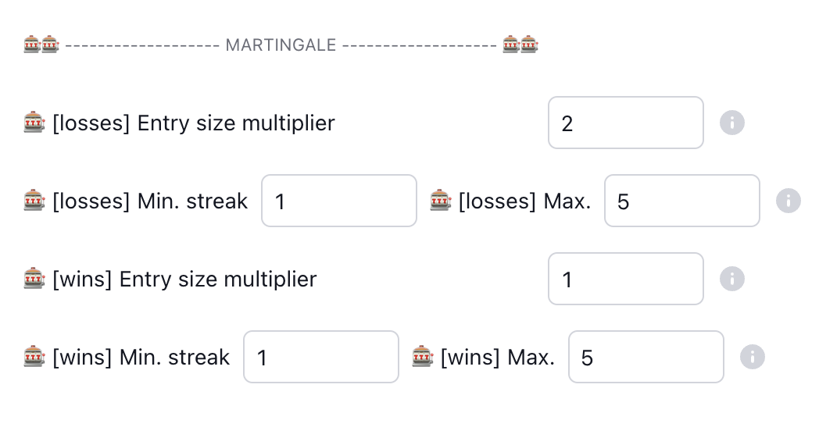
Example 1 |  |  | Example 2
If a win (i.e. there is profit compared to all trades starting from no.1) then "trade no.1" for Martingale is reset |  |  | If max. streak reached, the entry size is not increased any more

martingale multiplier | 2 |  | martingale multiplier | 2
min. streak | 1 |  | min. streak | 1
max. streak | 5 |  | max. streak | 5

trade no. | entry size | trade result | trade no. | entry size | trade result
1 | 1 | loss | 1 | 1 | loss
2 | 2 | loss | 2 | 2 | loss
3 | 4 | win | 3 | 4 | loss
1 | 1 | loss | 4 | 8 | loss
2 | 2 | loss | 5 | 16 | loss
3 | 4 |  | 6 | 16
 | max consecutive losses: | 2 |  | max consecutive losses: | 5

Example 3 |  |  | Example 4
If min. streak is not reached, the martingale logic is not activated. This might be interesting with higher entry size multipliers. |  |  | With break even. Note that the statistic of "consecutive wins" and "consecutive losses" (also called "streak") should not be affected. So in th esample below, the there are 4 consecutive losses.

martingale multiplier | 3 |  | martingale multiplier | 2
min. streak | 2 |  | min. streak | 1
max. streak | 5 |  | max. streak | 5
 |  |  |  | sorry, stopped using formulas
trade no. | entry size | trade result | trade no. | entry size | trade result
1 | 1 | loss | 1 | 1 | loss
1 | 1 | loss | 2 | 2 | BE ($0 profit)
2 | 1 | loss | 2 | 2 | loss
3 | 3 | loss | 3 | 4 | loss
4 | 9 | loss | 4 | 8 | loss
5 | 27 |  | 5 | 16
 | max consecutive losses: | 5 |  | max consecutive losses: | 4

Example 5 |  |  | Example 6
With partilal take profit, but profit is less than previous loss. This is treated the same way as break-even (BE) |  |  | More extensive example showing the calculation how TP affects Martingale

martingale multiplier | 2 |  | martingale multiplier | 2
min. streak | 1 |  | min. streak | 1
max. streak | 5 |  | max. streak | 10
 | sorry, stopped using formulas |  |  | sorry, stopped using formulas
trade no. | entry size | trade result | trade no. | entry size | trade result | PnL
1 | 1 | loss | 1 | 1 | loss | -1
2 | 2 | loss | 2 | 2 | loss | -3
3 | 4 | loss | 3 | 4 | loss | -7
4 | 8 | profit, but less than all previous losses | 4 | 8 | TP at 1:0.5 distance and 30% allocation | -5.8
4 | 8 | loss | 4 | 8 | loss | -13.8
5 | 16 |  | 5 | 16 | win | 2.2 | 2.2 is greater than entry size of 1, so now we have a win and Martingale stops
 | max consecutive losses: | 4 |  | max consecutive losses: | 4

